Anit Graffiti Coating
 |  |  |  |  |  |  | Approved |  | Signature
 | PC ENVIROMENTAL COATINGS |  |  | Contract Name: | Peacockes Road
 |  |  |  | Procedure: | Anti Graffiti & Protective Coatings
Inspection & Test Plan / Checklist (Rev.3)

Lot No: |  |  |  | Corresponding Work Instruction: |  | TBC |  | Compliance with Work Instructions and Specifications
Detailed Location:
Chainage:
Rev.1
No: | Inspection / Test Point | ACTION (Hold, Monitor, Witness) | Detail | Frequency | Inspection / Test Method submission, visual inspection, testing, measure, review | Conformance Criteria | Records | NCI Initials |  | Date(s)
1 | Permits | H | Obtain Permits | As required | Document Review | Permit to Work, PTW # 1 Fall Prevention, Notify Worksafe NZ if required. Permit to Work around services (Gas, Power etc) if required. |  | Site Engineer |  |  | REMOVE
2 | Pre-construction sign offs | H | Visual inspection to ensure it is dust free, clean and repaired prior to application. Any fairing coat/grout that is used to achieve the F5 finish will need the required curing time as per product specification. | Prior to commencement | Visual inspection and Document review | Ensure PCP and Snag List for the structure are both signed off BBO sign off for Pre paint inspection to ensure F5 finish has been achieved | Completed PCP & Snag List | Site Engineer / BBO Engineer
Rev.1
 |  | H | Ensure all Sub-Contractors and suppliers go through a Downer Induction | Prior to commencement | Induction | Issued induction stickers and number | Hazard ID and Pre-starts to safety team | Site Engineer |  |  | REMOVE
 | Submit Frequency | H | Subcontractor to produce specification for the extent and frequency of testing for Design Engineer for approval | Prior to commencement | Document submission |  | Approved subcontractor testing schedule | Site Engineer
 |  | H | Visual inspection to ensure it is dust free, clean and repaired prior to application. Any fairing coat/grout that is used to achieve the F5 finish will need the required curing time as per product specification. | Prior to commencement | Visual inspection and Document review | Ensure PCP and Snag List for the structure are both signed off BBO sign off for Pre paint inspection to ensure F5 finish has been achieved | Completed PCP & Snag List | Site Engineer / BBO Engineer |  |  | REMOVE DUPLICATION ABOVE
 | Get info |  | Collection of names, experience and qualifications of coating applicators | Prior to commencement | Document review | NZTA S/10 4.1 c | Applicator's detail submission | BBO Engineer
3 | Design | W | Design Engineer to be advised when painting is occuring so they can visit site and do a visual inspection | During Painting | Visual Inspection |  |  | Site Engineer
4 | Material Compliance | H | Ensure the supplied paint system meets the requirements as per the specification. . | Prior to commencement | Document review | NZTA S10 Approved paint system to be signed off by the Design Engineer | Painting system manufacturers records | Site Engineer
 |  | H | Confirmation of Design life not less than 10 years | Prior to commencement | Document review |  |  | BBO Engineer
Rev.2
 |  | H | Confirmation of cleaning product (to align with TDS) - Pressure washing of substrate no greater than 2700psi. | Prior to commencement | Document review |  |  | BBO Engineer
5 | Environmental | H | Weather checks to be undertaken prior to starting coating | Prior to commencement | Visual inspection and review of forecast | No painting during Inclement weather such as rain, snow, fog, mist, pollution or dust or excessively high winds |  | Site Engineer
 |  | H | Humidity and Temperature checks to be undertaken prior to starting coating. Also moisture check of substrate to be undertaken as per specification supplied. | Prior to commencement | Visual inspection and measurement | No painting if the surface temperature is below 10 degrees or exceeds 32 degrees. Or the surface temperature drops to less than 3 degrees above the ambient dew point, Or humidity exceeds 85%. Or if moisture present. |  | Site Engineer
6 | Pre-paint cleaning and substrate verifications | W | Demonstration of substrate cleaned all dust, dirt and other surface contaminants must be removed. Using manufacturer’s approved surface cleaner | Before painting |  |  |  | Site Engineer
 |  | W | 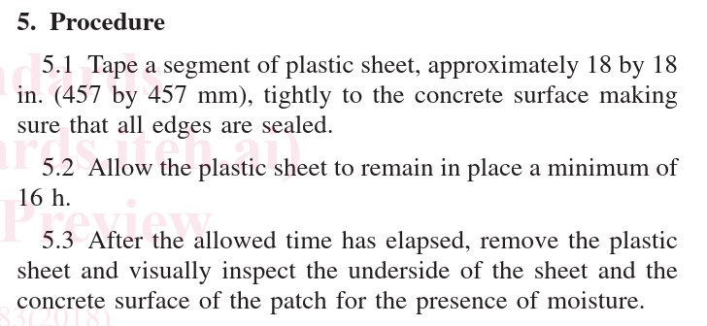 Demonstration of surface moisture conditions. - 1 test every 46m² or for every time painting | Before painting (minimum 28 days after concrete, grout and fairing coat has cured) |  | NZTA S/10 8.8 refers to ASTM D4263 |  | Site Engineer
 |  | W | Pre-paint checks Relative Humidity (Measured), Air Temperature (Measured), Surface Temperature (Measured), Dew Point (Calculated) Surface minus Dew Point (Calculated), Dry Surface (Visual Inspection) | Before painting | Measuring Devices | QA Checksheets
7 | Painting | H | Ensure dust control throughout application and curing. Co-ordinate other site activites that may generate dust to stop until the paint is dry. | Before and During painting | Visual inspection | No dust |  | Site Engineer
 |  | H | Ensure subcontractor records the date, type, location and extent of all coatings | During Painting | Drawings |  |  | Site Engineer
 |  | H | Recoating time as per manufacturers specifications, and weather conditions. | After painting | Document Review |  |  | Site Engineer
8 | Completed paint system | H | 1. Dry Film Thickness 2. Bond Strength | 14 days after painting | NZTA S10 Section 13.2 | DFT minimum of 100 microns Bond strength minimum 2MPa | IANZ Test Results or other approved | ITP
 |  |  | Post works inspection with BBO Sign Off | At completion of painting | Dry Film Thickness | The completed paint system or coating shall be of uniform thickness, free of runs, sags, pinholes and bubbles, mudcracking, dry overspray, grit inclusion etc. All such imperfections shall be removed or made good to the satisfaction of the Design Engineer. |  | BBO Engineer
9 | Lot Number QA File | W | Ensure all OFIs are closed and included within QA file | At completion of Lot | Document Review |  |  | Site Engineer
 |  | W | Delivery Dockets to be included in QA file | At completion of Lot | Document Review |  | Delivery Dockets | Site Engineer
 |  | W | Attach Sub-Contractor's QA. | At the completion of the lot of work | Document Review |  |  | Site Engineer
10 | As-builts | H | Red pen mark up drawings to be included in QA file | At the completion of the Lot of work | Drawings |  | Asbuilt Drawing | Site Engineer

Comments:

IFC Drawings used for Construction incl. Rev numbers:

Reference Documentation (Notices/OFIs etc):

QA Compiled By : |  |  |  |  | Signature: |  |  | Date:

QA checked By Discipline Manager: |  |  |  |  | Signature: |  |  | Date:

QA checked By Quality Manager: |  |  |  |  | Signature: |  |  | Date:

Accepted By Design Engineer: |  |  |  |  | Signature: |  |  | Date:

